Step 1.2
IC vs. VCC of a Current Sink
VCC | IC | VE | Ro
Volts | Amps | Volts | Ohm
-3.9 | 0.00010825051444 | -3.9834195989 | 1.15E+03
-3.6 | 0.00014781728099 | -3.728966817 | 3.23E+03
-3.3 | 0.00017883443519 | -3.5292627553 | 4.38E+04
-3 | 0.00018480663233 | -3.4907926521 | 7.70E+06
-2.7 | 0.00018484558152 | -3.4905411551 | 4.94E+07
-2.4 | 0.00018485165026 | -3.4904970823 | 7.59E+07
-2.1 | 0.00018485560126 | -3.4904692241 | 7.62E+07
-1.8 | 0.00018485953803 | -3.4904414324 | 7.61E+07
-1.5 | 0.00018486347884 | -3.4904136683 | 7.64E+07
-1.2 | 0.00018486740729 | -3.490385914 | 7.64E+07
-0.9 | 0.00018487133428 | -3.4903581734 | 7.62E+07
-0.6 | 0.00018487527016 | -3.490330451

Step 1.10
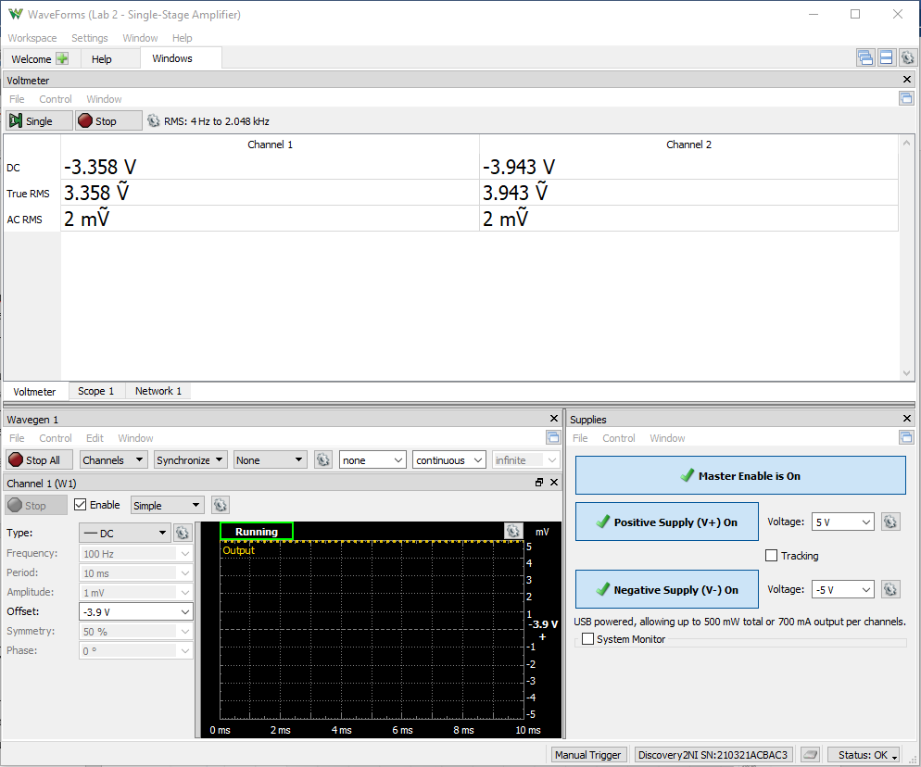
Finding Vo,min
VCC | VEE | VB | VE | IR1 | IR2 | IB = IR1 - IR2 | IE | IC = IE - IB
Volts | Volts | Volts | Volts | Amps | Amps | Amps | Amps | Amps
-3.9 | -5 | -3.357 | -3.954 | 4.37109375E-05 | 2.8524305556E-05 | 1.5186631944E-05 | 0.00012977667494 | 0.00011459004299
-3.6 | -5 | -3.079 | -3.677 | 4.0091145833E-05 | 3.3350694444E-05 | 6.7404513889E-06 | 0.0001641439206 | 0.00015740346921
-3.3 | -5 | -2.838 | -3.438 | 3.6953125E-05 | 3.7534722222E-05 | -5.8159722222E-07 | 0.00019379652605 | 0.00019437812328
-3 | -5 | -2.806 | -3.407 | 3.6536458333E-05 | 3.8090277778E-05 | -1.5538194444E-06 | 0.0001976426799 | 0.00019919649935
-2.7 | -5 | -2.806 | -3.407 | 3.6536458333E-05 | 3.8090277778E-05 | -1.5538194444E-06 | 0.0001976426799 | 0.00019919649935
-2.4 | -5 | -2.806 | -3.407 | 3.6536458333E-05 | 3.8090277778E-05 | -1.5538194444E-06 | 0.0001976426799 | 0.00019919649935
-2.1 | -5 | -2.806 | -3.407 | 3.6536458333E-05 | 3.8090277778E-05 | -1.5538194444E-06 | 0.0001976426799 | 0.00019919649935
-1.8 | -5 | -2.806 | -3.407 | 3.6536458333E-05 | 3.8090277778E-05 | -1.5538194444E-06 | 0.0001976426799 | 0.00019919649935

Sample Screenshot for Step 1.10

Step 1.15
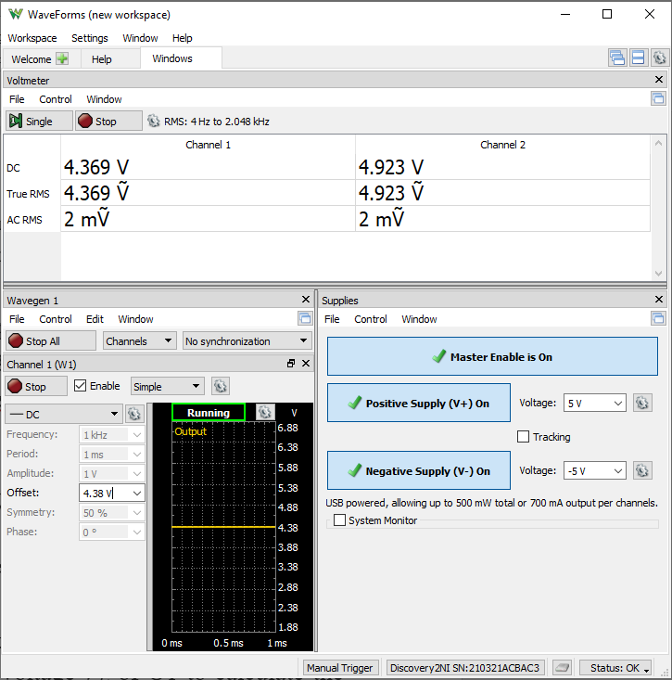
Vo vs. Vsig Characteristics of a CE Amplifier
W1 Setting | Channel 1 (Vsig, W1) | Channel 2 (Vo)
Volts | Volts | Volts
4.38 | 4.371 | 4.964
4.381 | 4.371 | 4.964
4.382 | 4.372 | 4.96
4.383 | 4.374 | 4.959
4.384 | 4.375 | 4.957
4.385 | 4.377 | 4.953
4.386 | 4.378 | 4.952
4.387 | 4.378 | 4.95
4.388 | 4.378 | 4.945
4.389 | 4.378 | 4.942
4.39 | 4.379 | 4.936
4.391 | 4.381 | 4.931
4.392 | 4.382 | 4.922
4.393 | 4.383 | 4.915
4.394 | 4.384 | 4.89
4.395 | 4.385 | 4.854
4.396 | 4.386 | 4.3
4.397 | 4.386 | 3.8
4.398 | 4.389 | 2.5
4.399 | 4.389 | 1.78
4.4 | 4.392 | 0

Sample Screenshot for Step 1.15 |  |  | Vo ~= 0 @ 4.4

Step 1.16
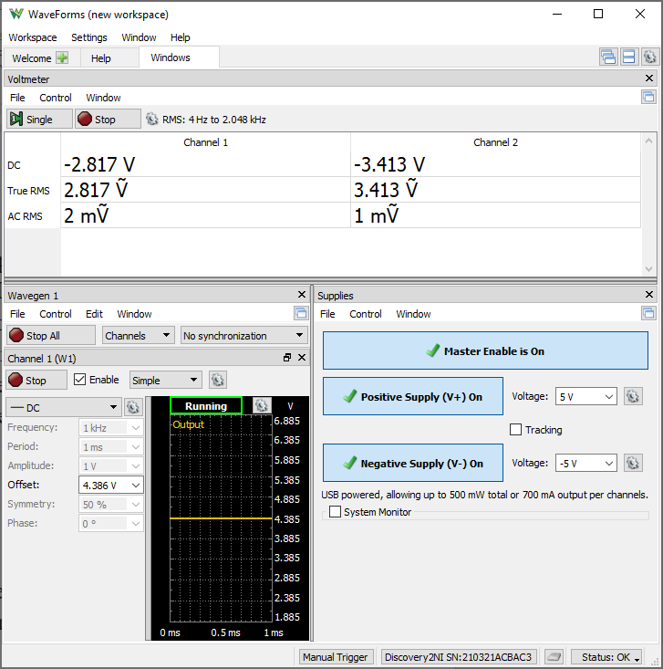
W1 Setting | VEE | Channel 1 (VB) | Channel 2 (VE) | IR1 | IR2 | IB1 = IR1 - IR2 | IE1 | IC2 = IC1 = IE1 - IB1
Volts | Volts | Volts | Volts | Amps | Amps | Amps | Amps | Amps
4.4 | -5 | -2.804 | -3.405 | 3.6510416667E-05 | 0.000038125 | -1.6145833333E-06 | 0.00019789081886 | 0.00019950540219

Sample Screenshot for Step 1.16

Step 1.18
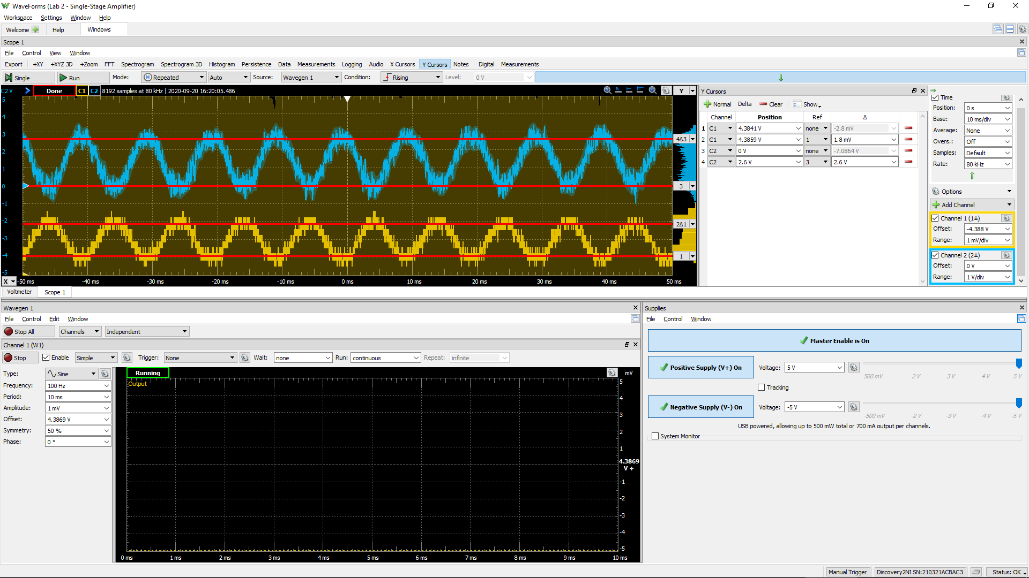
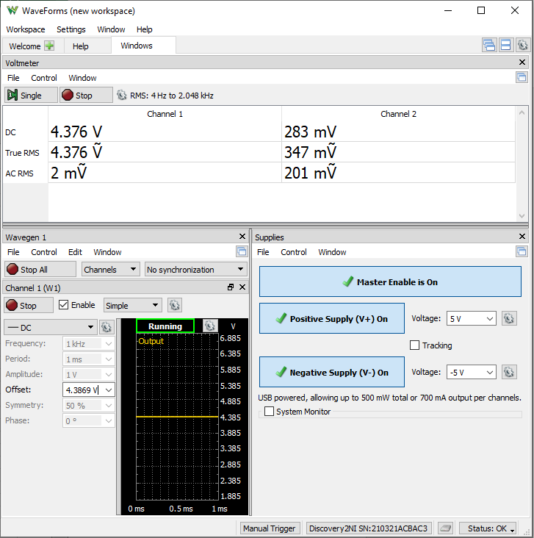
DC1 (V) | DC2 (V) | Gain Av | 0.707*DC2 (V) | f3dB (kHz)
6.76E-04 | 1 | 63.4 | 0.71 | 14.4
5.07E-04 | 0.70473 | 62.9

Sample Screenshots for Step 1.18

Step 2.2
Simulated Vo vs. Vsig of a Emitter Follower
Vsig | Vo | IE2
Volts | Volts | Amps
-5 | -4.6834719009 | 2.2191670723E-09
-4.5 | -4.6832229142 | -3.1475792639E-08
-4 | -4.4783484581 | -2.8155569453E-05
-3.5 | -4.0246621972 | -9.1172471002E-05
-3 | -3.5454083948 | -0.00015439382696
-2.5 | -3.0524971233 | -0.00018473939781
-2 | -2.5525434316 | -0.00018484938482
-1.5 | -2.0525611871 | -0.00018485622422
-1 | -1.5525831089 | -0.00018486278714
-0.5 | -1.0526050475 | -0.00018486934277
0 | -0.55262699799 | -0.00018487589023
0.5 | -0.052648957279 | -0.00018488243234
1 | 0.44732907289 | -0.00018488897331
1.5 | 0.94730709308 | -0.00018489551258
2 | 1.4472851044 | -0.00018490203547
2.5 | 1.9472631067 | -0.00018490855291
3 | 2.4472410976 | -0.00018491507944
3.5 | 2.9472190768 | -0.00018492159143
4 | 3.4471970478 | -0.00018492810341
4.5 | 3.9471750078 | -0.00018493460811
5 | 4.4471529207 | -0.00018494110554

Step 2.6
Measured Vo vs. Vsig of a Emitter Follower
Vsig (W1) | Vo
Volts | Volts
-5 | -4.657
-4.5 | -4.658
-4 | -4.545
-3.5 | -4.085
-3 | -3.6
-2.5 | -3.105
-2 | -2.605
-1.5 | -2.107
-1 | -1.605
-0.5 | -1.105
0 | -0.606
0.5 | -0.108
1 | 0.392
1.5 | 0.892
2 | 1.392
2.5 | 1.891
3 | 2.393
3.5 | 2.895
4 | 3.394
4.5 | 3.892
5 | 4.391 | Vo ~= 0 @ 0.61 V

Step 2.8
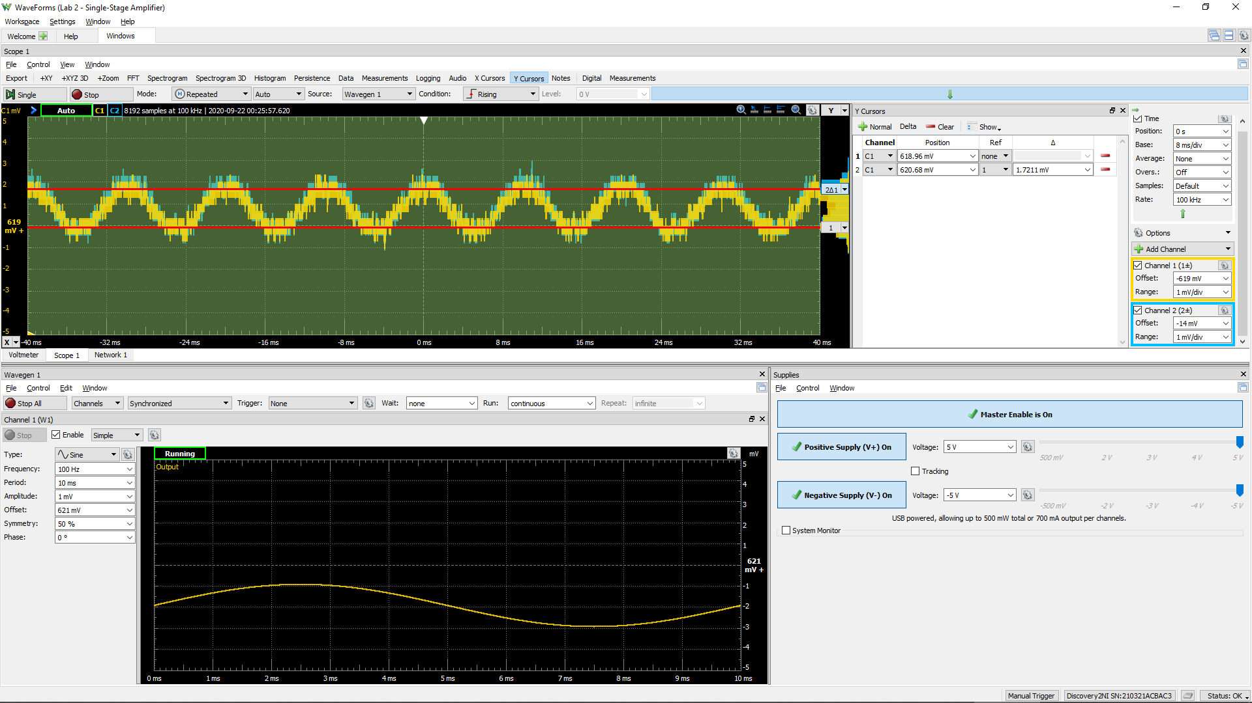
DC1 (V) | DC2 (V) | Voltage Gain Av (dB)
8.45E-04 | 8.52E-04 | 0.1

Sample Screenshot for Step 2.8

Step 3.5
Simulated IC vs. Vid Characteristics
V1 | IC1 | IC2
Volts | Amps | Amps
-0.25 | 3.0279532259E-07 | 0.00018209530299
-0.249 | 3.104923012E-07 | 0.0001820867175
-0.248 | 3.1858971683E-07 | 0.00018207772212
-0.247 | 3.2679499706E-07 | 0.00018206860981
-0.246 | 3.3521274379E-07 | 0.00018205927443
-0.245 | 3.4384843328E-07 | 0.00018204970881
-0.244 | 3.5270767751E-07 | 0.00018203990253
-0.243 | 3.6179626761E-07 | 0.000182029864
-0.242 | 3.7112009887E-07 | 0.00018201957934
-0.241 | 3.8068524222E-07 | 0.00018200904599
-0.24 | 3.9049789469E-07 | 0.00018199824823
-0.239 | 4.0056445116E-07 | 0.00018198718836
-0.238 | 4.1089145819E-07 | 0.0001819758633
-0.237 | 4.2148558443E-07 | 0.0001819642498
-0.236 | 4.3235374636E-07 | 0.00018195235817
-0.235 | 4.435029779E-07 | 0.00018194017365
-0.234 | 4.549404935E-07 | 0.00018192768234
-0.233 | 4.6667374121E-07 | 0.00018191488987
-0.232 | 4.7871031139E-07 | 0.00018190178286
-0.231 | 4.910579896E-07 | 0.00018188834892
-0.23 | 5.0372479099E-07 | 0.0001818745873
-0.229 | 5.167188899E-07 | 0.000181860481
-0.228 | 5.3004872136E-07 | 0.00018184603144
-0.227 | 5.4372290159E-07 | 0.00018183122825
-0.226 | 5.57750234E-07 | 0.00018181605104
-0.225 | 5.7213982529E-07 | 0.00018180050518
-0.224 | 5.8690093963E-07 | 0.00018178457205
-0.223 | 6.0204311914E-07 | 0.0001817682469
-0.222 | 6.1757613801E-07 | 0.00018175152141
-0.221 | 6.3350999047E-07 | 0.00018173437948
-0.22 | 6.4985494008E-07 | 0.00018171680982
-0.219 | 6.6662151066E-07 | 0.0001816988011
-0.218 | 6.8382055507E-07 | 0.00018168035906
-0.217 | 7.0146308029E-07 | 0.00018166145672
-0.216 | 7.1956043191E-07 | 0.00018164208391
-0.215 | 7.381242233E-07 | 0.00018162222529
-0.214 | 7.5716642267E-07 | 0.00018160188112
-0.213 | 7.7669921117E-07 | 0.00018158102964
-0.212 | 7.9673514719E-07 | 0.00018155966598
-0.211 | 8.1728701895E-07 | 0.00018153776562
-0.21 | 8.3836803078E-07 | 0.00018151532519
-0.209 | 8.5999166255E-07 | 0.00018149232878
-0.208 | 8.821717008E-07 | 0.0001814687543
-0.207 | 9.0492237459E-07 | 0.00018144459927
-0.206 | 9.2825818743E-07 | 0.00018141984471
-0.205 | 9.5219401119E-07 | 0.0001813944727
-0.204 | 9.7674511901E-07 | 0.00018136847116
-0.203 | 1.0019271077E-06 | 0.00018134181731
-0.202 | 1.0277560982E-06 | 0.00018131451245
-0.201 | 1.0542483981E-06 | 0.00018128651991
-0.2 | 1.0814208855E-06 | 0.0001812578319
-0.199 | 1.1092908638E-06 | 0.00018122844071
-0.198 | 1.1378758735E-06 | 0.00018119830766
-0.197 | 1.1671941262E-06 | 0.00018116743186
-0.196 | 1.1972641034E-06 | 0.00018113578369
-0.195 | 1.2281047892E-06 | 0.00018110334127
-0.194 | 1.259735795E-06 | 0.00018107010544
-0.193 | 1.2921769106E-06 | 0.00018103603281
-0.192 | 1.325448705E-06 | 0.0001810011214
-0.191 | 1.359571967E-06 | 0.00018096532992
-0.19 | 1.3945683208E-06 | 0.00018092866039
-0.189 | 1.4304595992E-06 | 0.00018089107265
-0.188 | 1.4672683721E-06 | 0.00018085255263
-0.187 | 1.5050176578E-06 | 0.00018081307316
-0.186 | 1.5437310954E-06 | 0.00018077261435
-0.185 | 1.5834327651E-06 | 0.00018073114053
-0.184 | 1.6241475342E-06 | 0.00018068863922
-0.183 | 1.6659008089E-06 | 0.00018064508989
-0.182 | 1.7087184341E-06 | 0.00018060045306
-0.181 | 1.7526269283E-06 | 0.00018055469511
-0.18 | 1.797653769E-06 | 0.00018050781486
-0.179 | 1.8438266627E-06 | 0.00018045976677
-0.178 | 1.8911741642E-06 | 0.00018041052405
-0.177 | 1.9397255322E-06 | 0.00018036006135
-0.176 | 1.9895106216E-06 | 0.00018030834359
-0.175 | 2.0405600463E-06 | 0.00018025534018
-0.174 | 2.0929051268E-06 | 0.00018020101839
-0.173 | 2.1465780462E-06 | 0.00018014535541
-0.172 | 2.201611665E-06 | 0.00018008832071
-0.171 | 2.258039286E-06 | 0.00018002985704
-0.17 | 2.3158955285E-06 | 0.00017996994982
-0.169 | 2.3752155436E-06 | 0.00017990856166
-0.168 | 2.4360351847E-06 | 0.00017984564631
-0.167 | 2.4983914673E-06 | 0.00017978118137
-0.166 | 2.5623220026E-06 | 0.00017971512458
-0.165 | 2.6278652727E-06 | 0.00017964743378
-0.164 | 2.6950605927E-06 | 0.00017957806312
-0.163 | 2.7639484648E-06 | 0.00017950698509
-0.162 | 2.8345700358E-06 | 0.0001794341531
-0.161 | 2.9069673644E-06 | 0.0001793595189
-0.16 | 2.9811836531E-06 | 0.00017928304554
-0.159 | 3.0572630092E-06 | 0.0001792046909
-0.158 | 3.1352505032E-06 | 0.00017912441047
-0.157 | 3.2151920686E-06 | 0.00017904215103
-0.156 | 3.2971347981E-06 | 0.00017895786659
-0.155 | 3.3811269824E-06 | 0.00017887151846
-0.154 | 3.4672175149E-06 | 0.00017878304283
-0.153 | 3.5554567406E-06 | 0.00017869239513
-0.152 | 3.6458961716E-06 | 0.00017859953296
-0.151 | 3.7385881895E-06 | 0.00017850440048
-0.15 | 3.8335860932E-06 | 0.0001784069315
-0.149 | 3.9309447997E-06 | 0.00017830708123
-0.148 | 4.0307201943E-06 | 0.00017820479429
-0.147 | 4.1329692244E-06 | 0.0001781000091
-0.146 | 4.237750304E-06 | 0.00017799267448
-0.145 | 4.3451228104E-06 | 0.00017788272727
-0.144 | 4.4551471834E-06 | 0.00017777009671
-0.143 | 4.56788581E-06 | 0.00017765473882
-0.142 | 4.6834016465E-06 | 0.00017753658041
-0.141 | 4.8017591354E-06 | 0.00017741555553
-0.14 | 4.9230241423E-06 | 0.00017729160156
-0.139 | 5.0472636828E-06 | 0.00017716464866
-0.138 | 5.1745463368E-06 | 0.00017703463393
-0.137 | 5.3049416877E-06 | 0.00017690148134
-0.136 | 5.4385211909E-06 | 0.00017676513078
-0.135 | 5.5753567283E-06 | 0.00017662548996
-0.134 | 5.7155231454E-06 | 0.00017648251557
-0.133 | 5.8590943599E-06 | 0.00017633609045
-0.132 | 6.006148344E-06 | 0.00017618617725
-0.131 | 6.1567622849E-06 | 0.00017603267069
-0.13 | 6.3110163369E-06 | 0.00017587550934
-0.129 | 6.4689912243E-06 | 0.00017571460504
-0.128 | 6.6307691751E-06 | 0.00017554987039
-0.127 | 6.7964345432E-06 | 0.00017538123417
-0.126 | 6.966071938E-06 | 0.00017520859236
-0.125 | 7.1397692014E-06 | 0.00017503188425
-0.124 | 7.317613677E-06 | 0.00017485099835
-0.123 | 7.4996953536E-06 | 0.00017466585108
-0.122 | 7.6861055718E-06 | 0.00017447635396
-0.121 | 7.8769374445E-06 | 0.0001742824233
-0.12 | 8.0722846878E-06 | 0.00017408395435
-0.119 | 8.2722428816E-06 | 0.00017388085014
-0.118 | 8.4769092861E-06 | 0.0001736730167
-0.117 | 8.686382494E-06 | 0.00017346035576
-0.116 | 8.9007626198E-06 | 0.00017324276895
-0.115 | 9.1201512129E-06 | 0.00017302015616
-0.114 | 9.3446507217E-06 | 0.00017279240602
-0.113 | 9.5743660691E-06 | 0.00017255942554
-0.112 | 9.8094027248E-06 | 0.00017232110441
-0.111 | 1.0049867882E-05 | 0.00017207733729
-0.11 | 1.0295869427E-05 | 0.00017182800634
-0.109 | 1.0547518419E-05 | 0.00017157302308
-0.108 | 1.0804924584E-05 | 0.00017131225416
-0.107 | 1.1068201121E-05 | 0.00017104560084
-0.106 | 1.1337461249E-05 | 0.00017077294369
-0.105 | 1.1612820456E-05 | 0.0001704941781
-0.104 | 1.1894393808E-05 | 0.0001702091748
-0.103 | 1.2182298764E-05 | 0.00016991782236
-0.102 | 1.2476653905E-05 | 0.00016962000837
-0.101 | 1.2777577932E-05 | 0.00016931560695
-0.1 | 1.3085191473E-05 | 0.00016900450417
-0.099 | 1.3399615325E-05 | 0.00016868657533
-0.098 | 1.3720971493E-05 | 0.00016836169955
-0.097 | 1.4049382076E-05 | 0.0001680297469
-0.096 | 1.4384972116E-05 | 0.00016769061327
-0.095 | 1.4727865027E-05 | 0.00016734416636
-0.094 | 1.507818448E-05 | 0.0001669902708
-0.093 | 1.5436056679E-05 | 0.00016662881382
-0.092 | 1.5801607521E-05 | 0.00016625967377
-0.091 | 1.6174962157E-05 | 0.00016588271768
-0.09 | 1.6556246317E-05 | 0.00016549781685
-0.089 | 1.6945587452E-05 | 0.00016510485845
-0.088 | 1.7343110354E-05 | 0.00016470370338
-0.087 | 1.7748941914E-05 | 0.00016429423436
-0.086 | 1.8163207947E-05 | 0.00016387632601
-0.085 | 1.8586033327E-05 | 0.00016344984822
-0.084 | 1.9017542825E-05 | 0.00016301467516
-0.083 | 1.9457863383E-05 | 0.00016257070494
-0.082 | 1.9907115028E-05 | 0.00016211778446
-0.081 | 2.0365422443E-05 | 0.00016165580833
-0.08 | 2.0832907406E-05 | 0.00016118465633
-0.079 | 2.1309689338E-05 | 0.00016070420079
-0.078 | 2.1795887917E-05 | 0.00016021432802
-0.077 | 2.2291621284E-05 | 0.00015971492544
-0.076 | 2.2797004704E-05 | 0.00015920587359
-0.075 | 2.3312152525E-05 | 0.00015868706186
-0.074 | 2.3837176405E-05 | 0.0001581583773
-0.073 | 2.4372184613E-05 | 0.00015761970209
-0.072 | 2.4917287315E-05 | 0.00015707094891
-0.071 | 2.547258779E-05 | 0.00015651200524
-0.07 | 2.6038186754E-05 | 0.00015594276391
-0.069 | 2.6614184349E-05 | 0.00015536313573
-0.068 | 2.7200676146E-05 | 0.00015477302647
-0.067 | 2.779775273E-05 | 0.00015417233693
-0.066 | 2.8405503786E-05 | 0.00015356098739
-0.065 | 2.9024014502E-05 | 0.00015293889814
-0.064 | 2.9653361988E-05 | 0.00015230597306
-0.063 | 3.0293626656E-05 | 0.00015166216016
-0.062 | 3.0944875441E-05 | 0.00015100736661
-0.061 | 3.1607178451E-05 | 0.00015034154436
-0.06 | 3.2280596547E-05 | 0.00014966462935
-0.059 | 3.2965184229E-05 | 0.00014897655825
-0.058 | 3.3660995013E-05 | 0.00014827729389
-0.057 | 3.4368071312E-05 | 0.00014756678077
-0.056 | 3.5086452555E-05 | 0.00014684498294
-0.055 | 3.5816174986E-05 | 0.00014611188283
-0.054 | 3.6557260531E-05 | 0.00014536743671
-0.053 | 3.7309732952E-05 | 0.0001446116422
-0.052 | 3.8073600465E-05 | 0.0001438444697
-0.051 | 3.8848873998E-05 | 0.00014306593456
-0.05 | 3.9635546996E-05 | 0.00014227602129
-0.049 | 4.0433613582E-05 | 0.00014147475242
-0.048 | 4.1243055867E-05 | 0.00014066214267
-0.047 | 4.2063849801E-05 | 0.00013983822102
-0.046 | 4.2895962228E-05 | 0.00013900302128
-0.045 | 4.3739351973E-05 | 0.00013815658672
-0.044 | 4.4593967196E-05 | 0.00013729896252
-0.043 | 4.5459749507E-05 | 0.00013643020957
-0.042 | 4.6336634611E-05 | 0.00013555040617
-0.041 | 4.7224542254E-05 | 0.00013465961893
-0.04 | 4.8123388324E-05 | 0.00013375793938
-0.039 | 4.9033077609E-05 | 0.00013284546293
-0.038 | 4.9953508406E-05 | 0.00013192230211
-0.037 | 5.0884564216E-05 | 0.00013098856461
-0.036 | 5.18261222E-05 | 0.0001300443765
-0.035 | 5.2778049309E-05 | 0.00012908987198
-0.034 | 5.3740204014E-05 | 0.00012812519786
-0.033 | 5.4712432357E-05 | 0.00012715050416
-0.032 | 5.5694573157E-05 | 0.00012616595674
-0.031 | 5.6686453762E-05 | 0.00012517172723
-0.03 | 5.7687893644E-05 | 0.00012416800119
-0.029 | 5.8698699293E-05 | 0.00012315496679
-0.028 | 5.9718671666E-05 | 0.00012213283073
-0.027 | 6.074759929E-05 | 0.00012110180328
-0.026 | 6.1785261583E-05 | 0.00012006210509
-0.025 | 6.2831430943E-05 | 0.0001190139708
-0.024 | 6.3885865537E-05 | 0.00011795763479
-0.023 | 6.4948319084E-05 | 0.00011689334948
-0.022 | 6.6018534568E-05 | 0.00011582137281
-0.021 | 6.7096245371E-05 | 0.00011474197005
-0.02 | 6.8181178298E-05 | 0.00011365541844
-0.019 | 6.9273049762E-05 | 0.00011256200002
-0.018 | 7.0371569716E-05 | 0.0001114620076
-0.017 | 7.1476439711E-05 | 0.00011035574077
-0.016 | 7.2587354E-05 | 0.00010924350696
-0.015 | 7.3703995162E-05 | 0.00010812561424
-0.014 | 7.4826049729E-05 | 0.00010700239367
-0.013 | 7.5953188582E-05 | 0.00010587416919
-0.012 | 7.7085074834E-05 | 0.00010474126917
-0.011 | 7.822136995E-05 | 0.00010360403387
-0.01 | 7.9361736667E-05 | 0.00010246281757
-0.009 | 8.0505818687E-05 | 0.00010131796106
-0.008 | 8.1653264159E-05 | 0.00010016982176
-0.007 | 8.2803714878E-05 | 9.9018758457E-05
-0.006 | 8.3956807363E-05 | 9.7865131897E-05
-0.005 | 8.5112179902E-05 | 9.6709312087E-05
-0.004 | 8.6269461825E-05 | 9.5551664707E-05
-0.003 | 8.7428281968E-05 | 9.4392560154E-05
-0.002 | 8.8588265872E-05 | 9.3232369351E-05
-0.001 | 8.9749045781E-05 | 9.2071473217E-05
2.1510571102E-16 | 9.0910243171E-05 | 9.0910243171E-05
0.001 | 9.2071478099E-05 | 8.9749050562E-05
0.002 | 9.3232383973E-05 | 8.8588279854E-05
0.003 | 9.4392576151E-05 | 8.7428296978E-05
0.004 | 9.5551692484E-05 | 8.6269487245E-05
0.005 | 9.6709342978E-05 | 8.5112207612E-05
0.006 | 9.7865169484E-05 | 8.395684035E-05
0.007 | 9.9018799777E-05 | 8.2803750425E-05
0.008 | 0.00010016986915 | 8.1653304071E-05
0.009 | 0.00010131801684 | 8.0505864608E-05
0.01 | 0.00010246287659 | 7.9361784321E-05
0.011 | 0.00010360410423 | 7.8221425387E-05
0.012 | 0.00010474133913 | 7.7085129023E-05
0.013 | 0.00010587424617 | 7.5953246937E-05
0.014 | 0.00010700247994 | 7.4826113636E-05
0.015 | 0.00010812571338 | 7.3704066784E-05
0.016 | 0.00010924360505 | 7.2587423696E-05
0.017 | 0.00011035584973 | 7.1476515304E-05
0.018 | 0.00011146212319 | 7.0371648232E-05
0.019 | 0.00011256212365 | 6.9273131916E-05
0.02 | 0.00011365555282 | 6.8181265531E-05
0.021 | 0.00011474211803 | 6.7096339084E-05
0.022 | 0.00011582152435 | 6.6018628686E-05
0.023 | 0.00011689350665 | 6.4948414717E-05
0.024 | 0.00011795780045 | 6.3885964144E-05
0.025 | 0.00011901414622 | 6.2831533023E-05
0.026 | 0.00012006228845 | 6.1785366007E-05
0.027 | 0.00012110199571 | 6.0747706472E-05
0.028 | 0.00012213302943 | 5.9718780068E-05
0.029 | 0.00012315517436 | 5.8698810066E-05
0.03 | 0.0001241682186 | 5.7688007089E-05
0.031 | 0.0001251719515 | 5.6686568349E-05
0.032 | 0.00012616618886 | 5.5694689238E-05
0.033 | 0.00012715074634 | 5.4712550764E-05
0.034 | 0.0001281254474 | 5.3740323456E-05
0.035 | 0.00012909013717 | 5.2778173091E-05
0.036 | 0.00013004464875 | 5.182624663E-05
0.037 | 0.00013098884659 | 5.0884690248E-05
0.038 | 0.00013192259597 | 4.9953636726E-05
0.039 | 0.00013284576657 | 4.9033207275E-05
0.04 | 0.00013375825052 | 4.8123518394E-05
0.041 | 0.0001346599324 | 4.7224670828E-05
0.042 | 0.00013555072872 | 4.6336764029E-05
0.043 | 0.00013643054734 | 4.5459881723E-05
0.044 | 0.00013729930828 | 4.4594099657E-05
0.045 | 0.00013815693961 | 4.3739484327E-05
0.046 | 0.00013900339182 | 4.2896097689E-05
0.047 | 0.00013983860605 | 4.2063987194E-05
0.048 | 0.00014066254196 | 4.1243194962E-05
0.049 | 0.00014147515895 | 4.0433752212E-05
0.05 | 0.00014227643937 | 3.9635686326E-05
0.051 | 0.00014306635535 | 3.8849011508E-05
0.052 | 0.00014384490789 | 3.8073740089E-05
0.053 | 0.00014461208632 | 3.730987154E-05
0.054 | 0.00014536789971 | 3.6557401338E-05
0.055 | 0.00014611234927 | 3.5816314027E-05
0.056 | 0.00014684546473 | 3.5086592705E-05
0.057 | 0.00014756726793 | 3.4368210112E-05
0.058 | 0.00014827778856 | 3.366113294E-05
0.059 | 0.00014897707567 | 3.2965324649E-05
0.06 | 0.00014966515288 | 3.2280735652E-05
0.061 | 0.00015034208304 | 3.1607318143E-05
0.062 | 0.00015100791832 | 3.0945015181E-05
0.063 | 0.00015166271546 | 3.0293764466E-05
0.064 | 0.00015230654456 | 2.9653500363E-05
0.065 | 0.00015293947604 | 2.9024151465E-05
0.066 | 0.00015356157801 | 2.8405640511E-05
0.067 | 0.0001541729393 | 2.7797888974E-05
0.068 | 0.00015477363784 | 2.7200811373E-05
0.069 | 0.00015536375947 | 2.6614319115E-05
0.07 | 0.0001559434024 | 2.6038321407E-05
0.071 | 0.00015651265545 | 2.5472721763E-05
0.072 | 0.00015707161296 | 2.4917420906E-05
0.073 | 0.00015762037736 | 2.4372317356E-05
0.074 | 0.00015815905741 | 2.3837307299E-05
0.075 | 0.00015868775417 | 2.3312282677E-05
0.076 | 0.00015920657908 | 2.2797134217E-05
0.077 | 0.00015971564595 | 2.2291750375E-05
0.078 | 0.00016021506028 | 2.1796016082E-05
0.079 | 0.00016070494067 | 2.1309816001E-05
0.08 | 0.00016118540735 | 2.0833033024E-05
0.081 | 0.00016165657662 | 2.0365547774E-05
0.082 | 0.00016211856623 | 1.9907239543E-05
0.083 | 0.00016257149362 | 1.9457986258E-05
0.084 | 0.00016301548745 | 1.9017666033E-05
0.085 | 0.00016345066433 | 1.8586154511E-05
0.086 | 0.00016387714993 | 1.8163327582E-05
0.087 | 0.00016429507212 | 1.7749060663E-05
0.088 | 0.0001647045593 | 1.7343228648E-05
0.089 | 0.00016510572276 | 1.6945704234E-05
0.09 | 0.00016549869828 | 1.6556362473E-05
0.091 | 0.00016588361114 | 1.6175077147E-05
0.092 | 0.00016626057964 | 1.5801721373E-05
0.093 | 0.0001666297351 | 1.543616966E-05
0.094 | 0.00016699120119 | 1.5078295993E-05
0.095 | 0.00016734510224 | 1.4727974758E-05
0.096 | 0.0001676915654 | 1.4385081016E-05
0.097 | 0.00016803071436 | 1.4049490043E-05
0.098 | 0.00016836267066 | 1.3721077551E-05
0.099 | 0.00016868756147 | 1.3399720415E-05
0.1 | 0.00016900550252 | 1.308529536E-05
0.101 | 0.00016931661705 | 1.2777680578E-05
0.102 | 0.00016962103613 | 1.2476755747E-05
0.103 | 0.00016991886401 | 1.2182399507E-05
0.104 | 0.00017021022724 | 1.1894493229E-05
0.105 | 0.00017049523758 | 1.1612918302E-05
0.106 | 0.00017077402101 | 1.1337558261E-05
0.107 | 0.00017104668579 | 1.1068296615E-05
0.108 | 0.000171313352 | 1.0805018914E-05
0.109 | 0.00017157412912 | 1.0547611292E-05
0.11 | 0.0001718291359 | 1.0295961785E-05
0.111 | 0.00017207846901 | 1.0049958437E-05
0.112 | 0.00017232225565 | 9.809492507E-06
0.113 | 0.00017256059487 | 9.5744549817E-06
0.114 | 0.00017279358664 | 9.3447383827E-06
0.115 | 0.00017302134532 | 9.1202374839E-06
0.116 | 0.00017324397023 | 8.9008477033E-06
0.117 | 0.00017346156931 | 8.6864664044E-06
0.118 | 0.00017367424195 | 8.4769920021E-06
0.119 | 0.00017388208821 | 8.2723244652E-06
0.12 | 0.00017408520162 | 8.0723649754E-06
0.121 | 0.00017428369053 | 7.8770169414E-06
0.122 | 0.00017447763522 | 7.6861840046E-06
0.123 | 0.0001746671438 | 7.4997726167E-06
0.124 | 0.00017485229818 | 7.3176895961E-06
0.125 | 0.0001750331937 | 7.1398439008E-06
0.126 | 0.00017520991958 | 6.966145758E-06
0.127 | 0.00017538256519 | 6.7965069361E-06
0.128 | 0.0001755512214 | 6.6308407842E-06
0.129 | 0.00017571596029 | 6.4690614592E-06
0.13 | 0.00017587688474 | 6.3110857984E-06
0.131 | 0.00017603406414 | 6.1568308933E-06
0.132 | 0.00017618758027 | 6.0062158089E-06
0.133 | 0.00017633750855 | 5.85916088E-06
0.134 | 0.00017648393275 | 5.7155882052E-06
0.135 | 0.00017662693214 | 5.5754211845E-06
0.136 | 0.00017676658238 | 5.4385845494E-06
0.137 | 0.00017690295265 | 5.3050042754E-06
0.138 | 0.00017703611079 | 5.1746077363E-06
0.139 | 0.00017716614394 | 5.0473242834E-06
0.14 | 0.00017729310719 | 4.9230837207E-06
0.141 | 0.00017741707212 | 4.8018177226E-06
0.142 | 0.00017753811175 | 4.6834593554E-06
0.143 | 0.00017765628325 | 4.5679426055E-06
0.144 | 0.00017777165374 | 4.4552030634E-06
0.145 | 0.00017788429259 | 4.3451776794E-06
0.146 | 0.00017799425071 | 4.2378042406E-06
0.147 | 0.00017810159873 | 4.1330223002E-06
0.148 | 0.0001782063902 | 4.0307722557E-06
0.149 | 0.00017830869293 | 3.9309960769E-06
0.15 | 0.0001784085605 | 3.8336366253E-06
0.151 | 0.00017850603947 | 3.7386378284E-06
0.152 | 0.00017860119042 | 3.6459451047E-06
0.153 | 0.00017869406112 | 3.5555047728E-06
0.154 | 0.00017878471861 | 3.4672646865E-06
0.155 | 0.0001788732005 | 3.3811732385E-06
0.156 | 0.00017895956807 | 3.2971804009E-06
0.157 | 0.00017904385521 | 3.2152367184E-06
0.158 | 0.00017912613298 | 3.1352944958E-06
0.159 | 0.00017920642147 | 3.0573061722E-06
0.16 | 0.00017928480218 | 2.9812263032E-06
0.161 | 0.00017936127942 | 2.9070091381E-06
0.162 | 0.0001794359208 | 2.834611003E-06
0.163 | 0.00017950876783 | 2.7639887621E-06
0.164 | 0.00017957985998 | 2.6951002134E-06
0.165 | 0.00017964923555 | 2.6279040903E-06
0.166 | 0.00017971693884 | 2.5623601421E-06
0.167 | 0.00017978301344 | 2.4984290126E-06
0.168 | 0.00017984749262 | 2.4360720927E-06
0.169 | 0.00017991041645 | 2.3752517466E-06
0.17 | 0.00017997182078 | 2.3159311384E-06
0.171 | 0.000180031734 | 2.2580741814E-06
0.172 | 0.00018009020738 | 2.2016459054E-06
0.173 | 0.00018014726232 | 2.1466117692E-06
0.174 | 0.00018020294089 | 2.0929382822E-06
0.175 | 0.00018025726388 | 2.0405924772E-06
0.176 | 0.00018031028162 | 1.9895424896E-06
0.177 | 0.00018036200832 | 1.9397567876E-06
0.178 | 0.00018041248771 | 1.8912048996E-06
0.179 | 0.00018046174445 | 1.8438568565E-06
0.18 | 0.00018050980529 | 1.7976834166E-06
0.181 | 0.00018055669724 | 1.7526560272E-06
0.182 | 0.00018060245914 | 1.7087469206E-06
0.183 | 0.00018064710623 | 1.6659287534E-06
0.184 | 0.00018069067217 | 1.6241750036E-06
0.185 | 0.00018073318173 | 1.5834596923E-06
0.186 | 0.00018077465931 | 1.5437574514E-06
0.187 | 0.00018081513567 | 1.5050435702E-06
0.188 | 0.0001808546345 | 1.4672938615E-06
0.189 | 0.00018089317048 | 1.4304846434E-06
0.19 | 0.00018093076767 | 1.3945928754E-06
0.191 | 0.00018096745016 | 1.3595960673E-06
0.192 | 0.00018100324353 | 1.325472277E-06
0.193 | 0.00018103817407 | 1.2922000894E-06
0.194 | 0.00018107225485 | 1.2597585086E-06
0.195 | 0.0001811055059 | 1.2281270945E-06
0.196 | 0.00018113795077 | 1.1972859217E-06
0.197 | 0.00018116960837 | 1.1672155136E-06
0.198 | 0.00018120050766 | 1.1378969262E-06
0.199 | 0.00018123064899 | 1.1093114913E-06
0.2 | 0.00018126005727 | 1.0814411495E-06
0.201 | 0.00018128875633 | 1.0542682682E-06
0.202 | 0.00018131675573 | 1.0277755571E-06
0.203 | 0.00018134407829 | 1.0019462244E-06
0.204 | 0.00018137074055 | 9.7676384714E-07
0.205 | 0.00018139674936 | 9.5221235297E-07
0.206 | 0.00018142213357 | 9.282761757E-07
0.207 | 0.00018144690409 | 9.049400338E-07
0.208 | 0.00018147107629 | 8.8218904271E-07
0.209 | 0.00018149465821 | 8.6000864452E-07
0.21 | 0.00018151766587 | 8.3838467857E-07
0.211 | 0.00018154011436 | 8.1730332346E-07
0.212 | 0.00018156202821 | 7.9675113973E-07
0.213 | 0.00018158340618 | 7.7671490017E-07
0.214 | 0.00018160427079 | 7.5718180881E-07
0.215 | 0.00018162462539 | 7.3813930035E-07
0.216 | 0.00018164449369 | 7.1957520298E-07
0.217 | 0.00018166387951 | 7.0147756337E-07
0.218 | 0.00018168279713 | 6.8383476437E-07
0.219 | 0.00018170125501 | 6.6663545217E-07
0.22 | 0.00018171926621 | 6.4986857073E-07
0.221 | 0.00018173684682 | 6.3352334645E-07
0.222 | 0.0001817540043 | 6.1758924064E-07
0.223 | 0.00018177074261 | 6.0205596353E-07
0.224 | 0.00018178707353 | 5.8691350668E-07
0.225 | 0.00018180301948 | 5.7215214366E-07
0.226 | 0.00018181858693 | 5.5776233476E-07
0.227 | 0.00018183376717 | 5.4373473191E-07
0.228 | 0.00018184858641 | 5.3006032585E-07
0.229 | 0.00018186304734 | 5.1673025858E-07
0.23 | 0.00018187716111 | 5.0373591742E-07
0.231 | 0.00018189093392 | 4.9106888889E-07
0.232 | 0.00018190437917 | 4.7872098818E-07
0.233 | 0.0001819174941 | 4.6668419085E-07
0.234 | 0.00018193030092 | 4.549507362E-07
0.235 | 0.00018194280218 | 4.4351300699E-07
0.236 | 0.00018195499936 | 4.3236357272E-07
0.237 | 0.0001819669043 | 4.2149521318E-07
0.238 | 0.00018197852399 | 4.1090087666E-07
0.239 | 0.00018198986847 | 4.0057369266E-07
0.24 | 0.00018200093852 | 3.9050694256E-07
0.241 | 0.00018201174317 | 3.8069409314E-07
0.242 | 0.00018202229347 | 3.7112877727E-07
0.243 | 0.00018203258634 | 3.6180475904E-07
0.244 | 0.00018204263723 | 3.5271599419E-07
0.245 | 0.00018205245023 | 3.4385656766E-07
0.246 | 0.00018206202879 | 3.3522071052E-07
0.247 | 0.00018207137566 | 3.2680279749E-07
0.248 | 0.00018208050143 | 3.1859735716E-07
0.249 | 0.00018208940926 | 3.1059904293E-07
0.25 | 0.00018209810442 | 3.0280264407E-07

Step 3.10
Finding Vcm,max
W1 Setting | Channel 1 (VE) | Channel 2 (Vo) | IC2 = (5 V - Vo)/8.25 kohm
Volts | Volts | Volts | Amps
0 | -0.6 | 4.248 | 9.1151515152E-05
4 | 3.4 | 4.233 | 9.296969697E-05
4.1 | 3.5 | 4.233 | 9.296969697E-05
4.2 | 3.6 | 4.233 | 9.296969697E-05
4.3 | 3.7 | 4.232 | 9.3090909091E-05
4.4 | 3.8 | 4.231 | 9.3212121212E-05
4.5 | 3.9 | 4.23 | 9.3333333333E-05
4.6 | 4 | 4.23 | 9.3333333333E-05
4.7 | 4.1 | 4.23 | 9.3333333333E-05
4.8 | 4.196 | 4.274 | 0.000088
4.9 | 4.293 | 4.35 | 7.8787878788E-05
5 | 4.386 | 4.435 | 6.8484848485E-05

Sample Screenshot for Step 3.10

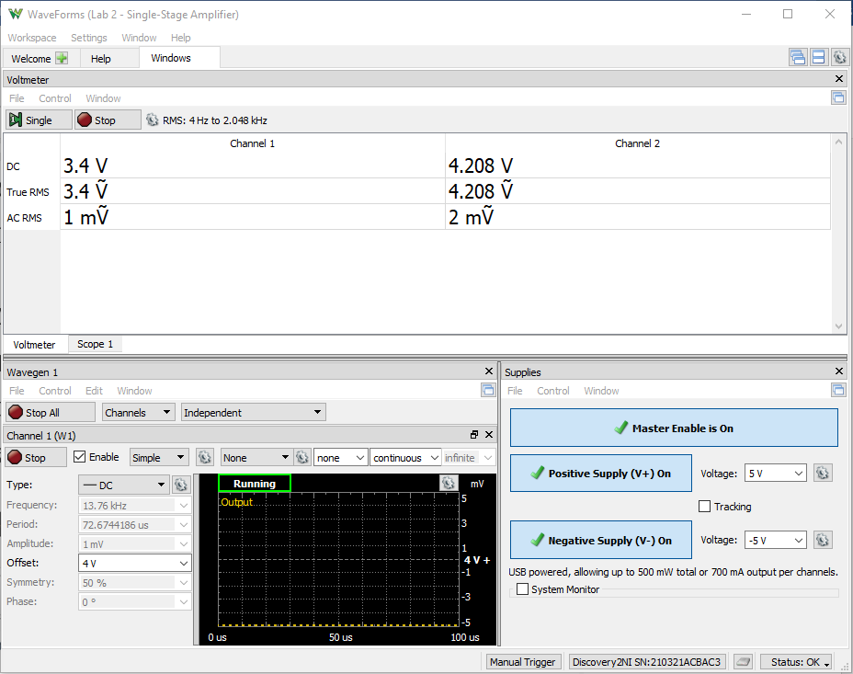

 |  |  |  | 29.898233845

Step 3.11
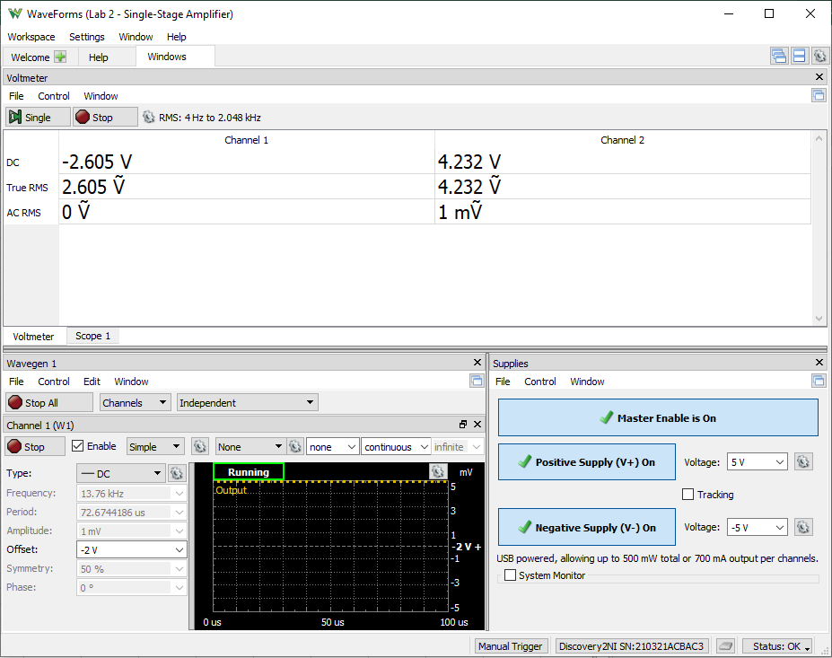
Finding VCM,min
W1 Setting | Channel 1 (VE) | Channel 2 (Vo) | IC2 = (5 V - Vo)/8.25 kohm
Volts | Volts | Volts | Amps
-2 | -2.598 | 4.258 | 8.9939393939E-05
-2.1 | -2.698 | 4.259 | 8.9818181818E-05
-2.2 | -2.798 | 4.259 | 8.9818181818E-05
-2.3 | -2.898 | 4.259 | 8.9818181818E-05
-2.4 | -2.997 | 4.26 | 8.9696969697E-05
-2.5 | -3.099 | 4.26 | 8.9696969697E-05
-2.6 | -3.199 | 4.26 | 8.9696969697E-05
-2.7 | -3.297 | 4.26 | 8.9696969697E-05
-2.8 | -3.399 | 4.278 | 8.7515151515E-05
-2.9 | -3.494 | 4.316 | 8.2909090909E-05
-3 | -3.594 | 4.361 | 7.7454545455E-05

Sample Screenshot for Step 3.11

Step 3.14
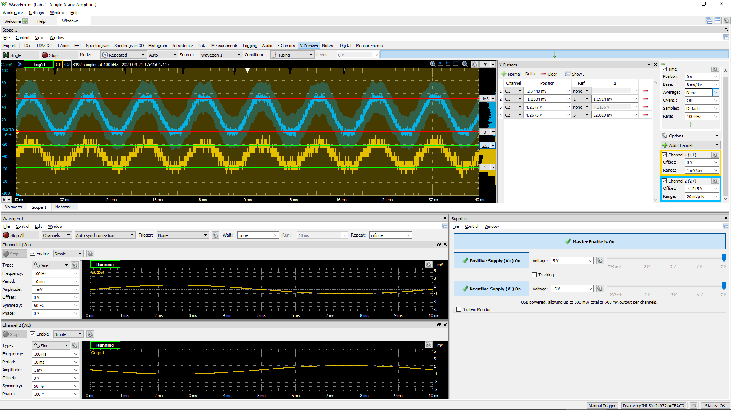
DC1 (V) | DC2 (V) | Differential Voltage Gain Av (dB) | 0.707*DC2 (V) | f3dB (kHz)
6.76E-04 | 1.43E-02 | 20.5 | 1.01E-02 | 8.3

Sample Screenshot for Step 3.14

